Lookups
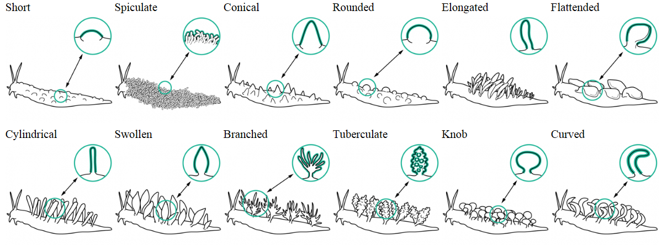
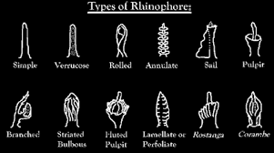
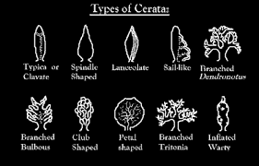
Length:Width | Lengths | Body types | Dorsal textures |  | Oral Appendices | Rhinophore shapes |  | Gills shape | Body Shapes | Body Patterns | Mantel Margins | Rhinophore sheath | Rhinophore pattern | Gills Pattern | Gills Location | Cerata pattern | Gills formation
1:1 | < 5 | Doriid | Smooth |  | None | Not visible |  | Simple | Round | Uniform | Red margin | Pressent | Tipped | Uniform | Dermal | Spotted | Circle
2:1 | 5-15 | Phylidiid | Longitudinal ridges | Ridges running from the front to the back | Oral veil | Simple | a solid cylindrical shape with smooth texture and round tip | Triangular | Oval | Longitudinal lines | Yellow margin |  | Banded | Edge-lined | Internal | Uniform | Semi-circle
4:1 | 15-30 | Aeoliid | Pitted | small pits | Papilla | Verrucose | covered with warty elevations | Branched | Broad | Rings/circles |  |  | Midlined | Banded | Below mantle skirt | Ringed | Double-spiral
6:1 | 30-50 | Aglajiid | Reticulated ridges | Ridges forming a net-like pattern | Tentacles | Rolled | a hollow cylindrical shape formed by rolling the sides over oneanother | Cabbage | High | Specks |  |  | Uniform | Tipped | Mid-dorsal
8:1 | 50-80 | Nembrothiid | Parapodia | Lateral extensions of the foot/mantle spanning most of the body length | Branched tentacles | Annulate | having rings; marked with or formed of rings | Feathers | Flattened | Spots |  |  | Specks |  | Rear-dorsal
12:1 | > 80 | Aplysiid | Mantle lobes | Isolated extensions of the foot/mantle | Bulbous tentacles | Sail | A vertical structure with loose sail-like flap from top to bottom | star-shaped | Cruciform | Irregular Blotches |  |  | Edged lamellae
+12:1 |  | Other | Irregular | Rough, without definitive pattern | Cylindrical tentacles | Pulpit | a raised enclosed structure | Internal | Reduced mantle | Reticulated/Net-like |  |  | Lines
 |  |  | Small raised bumps |  | Conical tentacles | Branched | divide into one or more subdivisions | Under Mantel skirt | Elongated | Pits |  |  | Blotched
 |  |  | Shell |  | Short tentacles | Striated bulbous | a bubous structure with vertical lines | Dermal |  | Streaks |  |  | Spots
 |  |  | Papillae | a small rounded protuberance | Long tentacles | Fluted pulpit | a raised enclosed structure having ridges(flutes) | Under shell |  | Mantle glands
 |  |  | Spiculate cerata | Minute sharp-pointed object or structure that is typically present in large numbers | Rounded tentacles | Lamellate | a thin layer, membrane, or plate of tissue | Cylindrical |  | Regular patches
 |  |  | Conical cerata | Round, taperred to a point | Flattened tentacles | Palmate/Rostanga | gaps between the tines are partly filled in to form a broad flat surface(typical of genus Rostanga) | Curved feathers |  | zig-zag lines
 |  |  | Rounded cerata | rounded, medium length | Wide tentacles | Corambe | (typical of genus) | Leaf
 |  |  | Elongated cerata | long, rounded | Notched tentacles | rugose | wrinkled; corrugated
 |  |  | Flattened cerata | flattened on 2 sided to form a leave-like structure | Rectangular tentacles | papillate | with small protuberances
 |  |  | Cylindrical cerata |  | Fused tentacles | perfoliate | Similar to lamellate, but stalk-less
 |  |  | Swollen cerata |  | Sensory hairs | bulbous/club
 |  |  | Branched cerata |  | Tubular tentacles
 |  |  | Tuberculate cerata
 |  |  | Knob-shaped cerata
 |  |  | Curved cerata
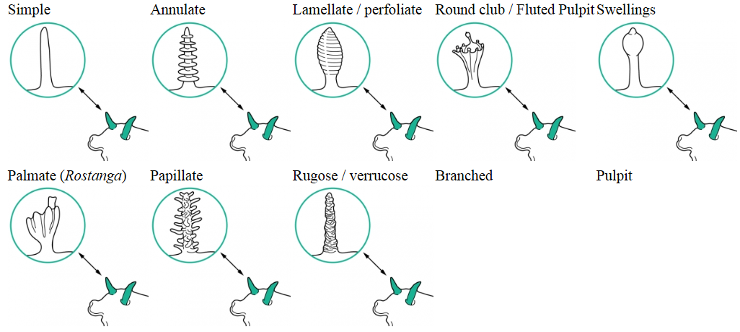
 |  |  | Sail-like cerata
 |  |  | Paddle-shaped cerata
 |  |  | Lanceolate cerata
 |  |  | Shell, Cerata - Conical, lined
 |  |  | Tiny cillia
 |  |  | Raised mantle
 |  |  | Raised mantle, medial ridge and 2 cerata behind gills
 |  |  | 2 Extrabranchial appendages and 2 extrarhinophoral appendages
 |  |  | Longitudinal and circular tuberculate Ridges
 |  |  | Longitudinal grooves
 |  |  | Shell
 |  |  | Short/Postules
 |  |  | Folded mantle skirt

